Sheet1
BASYS-3 FPGA Peripheral Pin Assignment

FPGA used: XILINX ARTIX-7 (XC7A35T-ICPG236C)

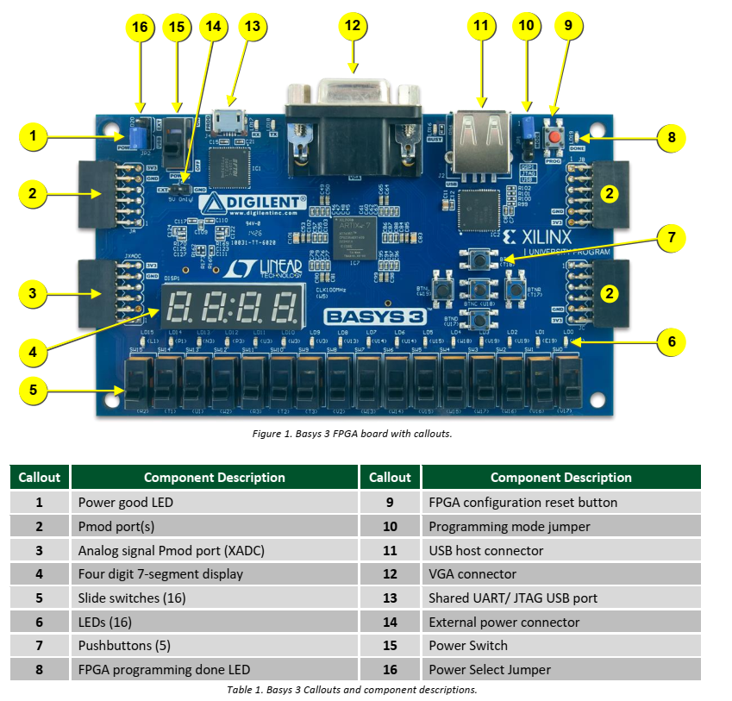
Signal Name | Description | FPGA Pin Number | Bank Number | Bank Voltage | Remark
CA | 7segment-a | W7 | 34 | 3.3V | Active-Low
CB | 7segment-b | W6 | 34 | 3.3V | Active-Low
CC | 7segment-c | U8 | 34 | 3.3V | Active-Low
CD | 7segment-d | V8 | 34 | 3.3V | Active-Low
CE | 7segment-e | U5 | 34 | 3.3V | Active-Low
CF | 7segment-f | V5 | 34 | 3.3V | Active-Low
CG | 7segment-g | U7 | 34 | 3.3V | Active-Low
DP | DP | V7 | 34 | 3.3V | Active-Low

AN0 | Common-Anode | U2 | 34 | 3.3V | Active-Low
AN1 | Common-Anode | U4 | 34 | 3.3V | Active-Low
AN2 | Common-Anode | V4 | 34 | 3.3V | Active-Low
AN3 | Common-Anode | W4 | 34 | 3.3V | Active-Low

LED0 | Red LED | U16 | 14 | 3.3V | Active-High
LED1 | Red LED | E19 | 14 | 3.3V | Active-High
LED2 | Red LED | U19 | 14 | 3.3V | Active-High
LED3 | Red LED | V19 | 14 | 3.3V | Active-High
LED4 | Red LED | W18 | 14 | 3.3V | Active-High
LED5 | Red LED | U15 | 14 | 3.3V | Active-High
LED6 | Red LED | U14 | 14 | 3.3V | Active-High
LED7 | Red LED | V14 | 14 | 3.3V | Active-High
LED8 | Red LED | V13 | 14 | 3.3V | Active-High
LED9 | Red LED | V3 | 14 | 3.3V | Active-High
LED10 | Red LED | W3 | 14 | 3.3V | Active-High
LED11 | Red LED | U3 | 14 | 3.3V | Active-High
LED12 | Red LED | P3 | 35 | 3.3V | Active-High
LED13 | Red LED | N3 | 35 | 3.3V | Active-High
LED14 | Red LED | P1 | 35 | 3.3V | Active-High
LED15 | Red LED | L1 | 35 | 3.3V | Active-High

SW0 | Slide Switch | V17 | 14 | 3.3V
SW1 | Slide Switch | V16 | 14 | 3.3V
SW2 | Slide Switch | W16 | 14 | 3.3V
SW3 | Slide Switch | W17 | 14 | 3.3V
SW4 | Slide Switch | W15 | 14 | 3.3V
SW5 | Slide Switch | V15 | 14 | 3.3V
SW6 | Slide Switch | W14 | 14 | 3.3V
SW7 | Slide Switch | W13 | 14 | 3.3V
SW8 | Slide Switch | V2 | 34 | 3.3V
SW9 | Slide Switch | T3 | 34 | 3.3V
SW10 | Slide Switch | T2 | 34 | 3.3V
SW11 | Slide Switch | R3 | 34 | 3.3V
SW12 | Slide Switch | W2 | 34 | 3.3V
SW13 | Slide Switch | U1 | 34 | 3.3V
SW14 | Slide Switch | T1 | 34 | 3.3V
SW15 | Slide Switch | R2 | 34 | 3.3V

BTNL | Push Button | W19 | 14 | 3.3V | Active-High
BTNR | Push Button | T17 | 14 | 3.3V | Active-High
BTNU | Push Button | T18 | 14 | 3.3V | Active-High
BTND | Push Button | U17 | 14 | 3.3V | Active-High
BTNC | Push Button | U18 | 14 | 3.3V | Active-High

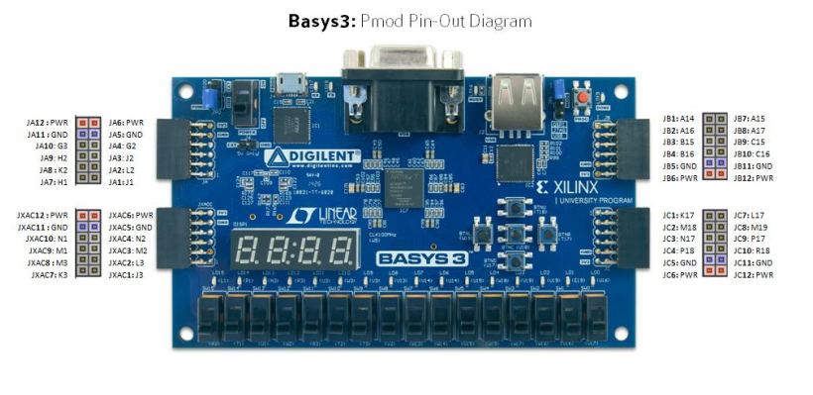
JA1 | PMOD-JA_GPIOs | J1 | 35 | 3.3V |  | 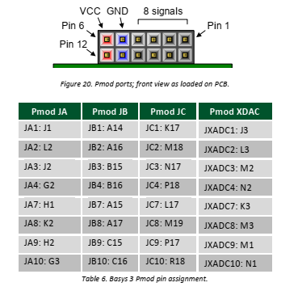
JA2 | PMOD-JA_GPIOs | L2 | 35 | 3.3V
JA3 | PMOD-JA_GPIOs | J2 | 35 | 3.3V
JA4 | PMOD-JA_GPIOs | G2 | 35 | 3.3V
JA7 | PMOD-JA_GPIOs | H1 | 35 | 3.3V
JA8 | PMOD-JA_GPIOs | K2 | 35 | 3.3V
JA9 | PMOD-JA_GPIOs | H2 | 35 | 3.3V
JA10 | PMOD-JA_GPIOs | G3 | 35 | 3.3V

JB1 | PMOD-JB_GPIOs | A14 | 16 | 3.3V
JB2 | PMOD-JB_GPIOs | A16 | 16 | 3.3V
JB3 | PMOD-JB_GPIOs | B15 | 16 | 3.3V
JB4 | PMOD-JB_GPIOs | B16 | 16 | 3.3V
JB7 | PMOD-JB_GPIOs | A15 | 16 | 3.3V
JB8 | PMOD-JB_GPIOs | A17 | 16 | 3.3V
JB9 | PMOD-JB_GPIOs | C15 | 16 | 3.3V
JB10 | PMOD-JB_GPIOs | C16 | 16 | 3.3V

JC1 | PMOD-JC_GPIOs | K17 | 14 | 3.3V
JC2 | PMOD-JC_GPIOs | M18 | 14 | 3.3V
JC3 | PMOD-JC_GPIOs | N17 | 14 | 3.3V
JC4 | PMOD-JC_GPIOs | P18 | 14 | 3.3V
JC7 | PMOD-JC_GPIOs | L17 | 14 | 3.3V
JC8 | PMOD-JC_GPIOs | M19 | 14 | 3.3V
JC9 | PMOD-JC_GPIOs | P17 | 14 | 3.3V
JC10 | PMOD-JC_GPIOs | R18 | 14 | 3.3V

CLK100MHZ | 100MHz clock | W5 | 34 | 3.3V | rising_edge

